LDVs, HDVs, Motorbikes
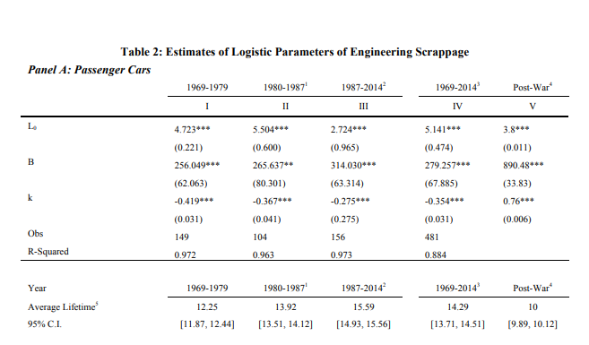

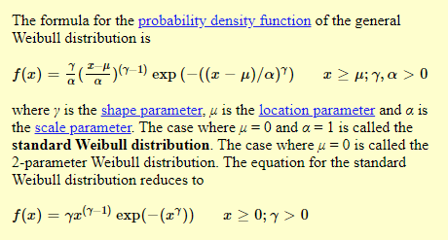

 |  |  |  |  |  |  |  |  |  |  |  |  |  |  |  |  |  |  |  |  |  | lambda | 10 | shape | lambda
 |  |  |  |  |  |  |  |  | weibull parameters |  |  |  |  | % original fleet | Annual retirement |  | annual retirement |  | cumulative retirement |  |  | k | 13 | scale | gamma
 |  |  |  |  |  |  |  |  |  |  | 0 | 0 |  | 1 | 0 | %original fleet | 0 | 0 | 0 | 1
 |  |  |  |  |  |  |  |  |  |  | 0.066666666667 | 1 | 0.0041450359029 | 0.9958549641 | 0.0041450359029 | 0.9997037476 | 0.00029625240488 | 7.2538150286E-11 | 7.2538150286E-11 | 0.99640639742 | 0.0035936025814
 |  |  |  |  |  |  |  |  |  |  | 0.13333333333 | 2 | 0.0054376329641 | 0.99043987032 | 0.0054150937802 | 0.99763243674 | 0.002071310856 | 3.7139532671E-08 | 3.7212070821E-08 | 0.99477987431 | 0.0016265231121 | lambda | 3
 |  |  |  |  |  |  |  |  |  |  | 0.2 | 3 | 0.0071254032293 | 0.98338258687 | 0.0070572834503 | 0.99203191484 | 0.005600521902 | 1.4277678005E-06 | 1.4649798714E-06 | 0.99242275873 | 0.0023571155743 | LOGIT LAMBDA | 6
 |  |  |  |  |  |  |  |  |  |  | 0.26666666667 | 4 | 0.0093235306367 | 0.97421398919 | 0.0091685976762 | 0.98121570289 | 0.010816211945 | 1.9015296234E-05 | 2.0480276106E-05 | 0.98901305737 | 0.0034097013627 | LOGIT LIFETIME | 16
 |  |  |  |  |  |  |  |  |  |  | 0.33333333333 | 5 | 0.012176824302 | 0.96235115661 | 0.011862832579 | 0.9636404443 | 0.017575258591 | 0.00014166603908 | 0.00016214631518 | 0.98409360829 | 0.0049194490812
 |  |  |  |  |  |  |  |  |  |  | 0.4 | 6 | 0.015864596858 | 0.94708384348 | 0.015267313135 | 0.93800499953 | 0.025635444771 | 0.00073069686541 | 0.00089284318059 | 0.97702263009 | 0.0070709781982
 |  |  |  |  |  |  |  |  |  |  | 0.46666666667 | 7 | 0.020604382617 | 0.92756976559 | 0.019514077881 | 0.903364069 | 0.034640930529 | 0.0029211842983 | 0.0038140274789 | 0.96691402161 | 0.010108608479
 |  |  |  |  |  |  |  |  |  |  | 0.53333333333 | 8 | 0.026652795968 | 0.90284743789 | 0.024722327709 | 0.8592428335 | 0.044121235505 | 0.0096603699819 | 0.013474397461 | 0.95257412682 | 0.014339894789
 |  |  |  |  |  |  |  |  |  |  | 0.6 | 9 | 0.034300959007 | 0.87187890493 | 0.030968532957 | 0.80573530187 | 0.053507531623 | 0.027400890265 | 0.040875287726 | 0.93245330886 | 0.020120817962
 |  |  |  |  |  |  |  |  |  |  | 0.66666666667 | 10 | 0.043861060651 | 0.8336373714 | 0.03824153353 | 0.74356707921 | 0.062168222668 | 0.067462675138 | 0.10833796286 | 0.9046505351 | 0.027802773759
 |  |  |  |  |  |  |  |  |  |  | 0.73333333333 | 11 | 0.055640213335 | 0.78725361021 | 0.046383761189 | 0.67410434173 | 0.069462737481 | 0.14170663533 | 0.25004459819 | 0.8670357598 | 0.037614775299
 |  |  |  |  |  |  |  |  |  |  | 0.8 | 12 | 0.069898683666 | 0.73222561915 | 0.055027991065 | 0.59929578785 | 0.07480855388 | 0.2388580729 | 0.48890267109 | 0.81757447619 | 0.049461283609
 |  |  |  |  |  |  |  |  |  |  | 0.86666666667 | 13 | 0.086792866952 | 0.6686736584 | 0.063551960741 | 0.52154330798 | 0.077752479864 | 0.28298418552 | 0.77188685661 | 0.75491498687 | 0.062659489326
 |  |  |  |  |  |  |  |  |  |  | 0.93333333333 | 14 | 0.10630974224 | 0.59758713414 | 0.071086524267 | 0.44350906532 | 0.078034242662 | 0.18385786762 | 0.95574472423 | 0.67917869918 | 0.075736287692
 |  |  |  |  |  |  |  |  |  |  | 1 | 15 | 0.1282080506 | 0.52097165261 | 0.076615481532 | 0.36787944117 | 0.075629624148 | 0.04253738505 | 0.99828210928 | 0.59266659995 | 0.086512099221
 | 1
 | 0.9958549641
 | 0.99043987032
 | 0.98338258687
 | 0.97421398919
 | 0.96235115661
 | 0.94708384348
 | 0.92756976559
 | 0.90284743789
 | 0.87187890493
 | 0.8336373714
 | 0.78725361021
 | 0.73222561915
 | 0.6686736584
 | 0.59758713414
 | 0.52097165261
 | 0.44179004759
 | 0.3636316283
 | 0.29014698382
 | 0.22440759886
 | 0.16840886051
 | 0.12287832331
 | 0.087409865383
 | 0.060812552297
 | 0.041514309641
 | 0.027896302732
 | 0.018505097103
 | 0.012148605525
 | 0.0079100318283
 | 0.0051169534851
 | 0.0032934057205
 |  |  |  |  |  |  |  |  |  |  | 1.0666666667 | 16 | 0.15198831764 | 0.44179004759 | 0.079181605016 | 0.29711689563 | 0.07076254554 | 0.0017134199222 | 0.9999955292 | 0.5 | 0.092666599954
 |  |  |  |  |  |  |  |  |  |  | 1.1333333333 | 17 | 0.17691303757 | 0.3636316283 | 0.07815841929 | 0.23323617698 | 0.063880718655 | 3.833872236E-06 | 0.99999936307 | 0.40733340005 | 0.092666599954
 |  |  |  |  |  |  |  |  |  |  | 1.2 | 18 | 0.20208540392 | 0.29014698382 | 0.073484644482 | 0.1776393336 | 0.055596843382 | 8.1284035147E-11 | 0.99999936315 | 0.32082130082 | 0.086512099221
 |  |  |  |  |  |  |  |  |  |  | 1.2666666667 | 19 | 0.22657269806 | 0.22440759886 | 0.065739384957 | 0.13103428188 | 0.046605051718 | 1.13422936E-18 | 0.99999936315 | 0.24508501313 | 0.075736287692
 |  |  |  |  |  |  |  |  |  |  | 1.3333333333 | 20 | 0.2495402947 | 0.16840886051 | 0.055998738352 | 0.093446110198 | 0.03758817168 | 2.0457285187E-31 | 0.99999936315 | 0.18242552381 | 0.062659489326
 |  |  |  |  |  |  |  |  |  |  | 1.4 | 21 | 0.27035713596 | 0.12287832331 | 0.045530537198 | 0.06431258138 | 0.029133528817 | 1.6369944123E-51 | 0.99999936315 | 0.1329642402 | 0.049461283609
 |  |  |  |  |  |  |  |  |  |  | 1.4666666667 | 22 | 0.28864698811 | 0.087409865383 | 0.035468457928 | 0.042639980222 | 0.021672601158 | 1.865789187E-82 | 0.99999936315 | 0.095349464899 | 0.037614775299
 |  |  |  |  |  |  |  |  |  |  | 1.5333333333 | 23 | 0.30428273708 | 0.060812552297 | 0.026597313086 | 0.027186437889 | 0.015453542333 | 4.0786531852E-129 | 0.99999936315 | 0.06754669114 | 0.027802773759
 |  |  |  |  |  |  |  |  |  |  | 1.6 | 24 | 0.31733979132 | 0.041514309641 | 0.019298242656 | 0.016639098862 | 0.010547339028 | 3.4939283016E-198 | 0.99999936315 | 0.047425873178 | 0.020120817962
 |  |  |  |  |  |  |  |  |  |  | 1.6666666667 | 25 | 0.32803163601 | 0.027896302732 | 0.01361800691 | 0.0097583726452 | 0.0068807262165 | 1.0157454504E-298 | 0.99999936315 | 0.033085978389 | 0.014339894789
 |  |  |  |  |  |  |  |  |  |  | 1.7333333333 | 26 | 0.33664696428 | 0.018505097103 | 0.0093912056292 | 0.0054742297194 | 0.0042841429258 | 0 | 0.99999936315 | 0.02297736991 | 0.010108608479
 |  |  |  |  |  |  |  |  |  |  | 1.8 | 27 | 0.34349949868 | 0.012148605525 | 0.0063564915779 | 0.0029322066985 | 0.0025420230209 | 0 | 0.99999936315 | 0.015906391712 | 0.0070709781982
 |  |  |  |  |  |  |  |  |  |  | 1.8666666667 | 28 | 0.34889384529 | 0.0079100318283 | 0.0042385736965 | 0.0014969938283 | 0.0014352128702 | 0 | 0.99999936315 | 0.010986942631 | 0.0049194490812
 |  |  |  |  |  |  |  |  |  |  | 1.9333333333 | 29 | 0.35310582863 | 0.0051169534851 | 0.0027930783432 | 0.00072715538382 | 0.00076983844444 | 0 | 0.99999936315 | 0.0075772412679 | 0.0034097013627
 |  |  |  |  |  |  |  |  |  |  | 2 | 30 | 0.35637372313 | 0.0032934057205 | 0.0018235477646 | 0.0003354626279 | 0.00039169275591 | 0 | 0.99999936315 | 0.0052201256936 | 0.0023571155743

Survival Rates |  |  |  |  | Remaining Fleet |  |  |  |  | Annual Retirements |  |  |  |  |  | Logit Parameteres |  |  |  |  | Logit Curves
Age | Motorcycles | Passenger Cars | Light-duty Trucks (Passenger and Light Commercial) | Heavy-duty Vehicles (Buses, Single-Unit Trucks, and Combination Trucks) | Motorcycles | Passenger Cars | Light-duty Trucks (Passenger and Light Commercial) | Heavy-duty Vehicles (Buses, Single-Unit Trucks, and Combination Trucks) |  | Motorcycles | Passenger Cars | Light-duty Trucks (Passenger and Light Commercial) | Heavy-duty Vehicles (Buses, Single-Unit Trucks, and Combination Trucks) |  |  | Motorcycles | Passenger Cars | Light-duty Trucks (Passenger and Light Commercial) | Heavy-duty Vehicles (Buses, Single-Unit Trucks, and Combination Trucks) |  | Motorcycles | Passenger Cars | Light-duty Trucks (Passenger and Light Commercial) | Heavy-duty Vehicles (Buses, Single-Unit Trucks, and Combination Trucks)
0 | 1.000 | 0.997 | 0.991 | 1.000 | 1.000 | 1.000 | 1.000 | 1.000 |  | 0.000 | 0.000 | 0.000 | 0.000 |  | Average Lifetime | 11.000 | 14.000 | 16.000 | 19.000 |  | 0.99330714908 | 0.99330714908 | 0.98201379004 | 0.98201379004
1 | 0.979 | 0.997 | 0.991 | 1.000 | 0.979 | 0.997 | 0.991 | 1 |  | 0.021 | 0.003 | 0.009 | 0.000 |  | Shape | 5 | 5 | 4 | 4 |  | 0.98949615549 | 0.9904617115 | 0.97702263009 | 0.97789230231
2 | 0.940 | 0.997 | 0.991 | 1.000 | 0.92026 | 0.994009 | 0.982081 | 1 |  | 0.059 | 0.003 | 0.009 | 0.000 |  |  |  |  |  |  |  | 0.98355106931 | 0.98642308306 | 0.97068776925 | 0.97285249609
3 | 0.940 | 0.993 | 0.986 | 1.000 | 0.8650444 | 0.987050937 | 0.968331866 | 1 |  | 0.055 | 0.007 | 0.014 | 0.000 |  |  |  |  |  |  |  | 0.97432841365 | 0.98070775728 | 0.96267311266 | 0.96670290481
4 | 0.940 | 0.990 | 0.981 | 0.990 | 0.813141736 | 0.97718042763 | 0.94993356055 | 0.99 |  | 0.052 | 0.010 | 0.018 | 0.010 |  |  |  |  |  |  |  | 0.96014430105 | 0.9726532132 | 0.95257412682 | 0.95921867187
Passenger LDV
Freight LDV
5 | 0.940 | 0.986 | 0.976 | 0.980 | 0.76435323184 | 0.96349990164 | 0.92713515509 | 0.9702 |  | 0.049 | 0.014 | 0.023 | 0.020 |  |  |  |  |  |  |  | 0.9386168926 | 0.96136834884 | 0.93991334983 | 0.9501389652
6 | 0.940 | 0.981 | 0.970 | 0.980 | 0.71849203793 | 0.94519340351 | 0.89932110044 | 0.950796 |  | 0.046 | 0.018 | 0.028 | 0.019 |  |  |  |  |  |  |  | 0.90659299528 | 0.94568673387 | 0.92414181998 | 0.93916592579
7 | 0.940 | 0.976 | 0.964 | 0.970 | 0.67538251565 | 0.92250876183 | 0.86694554082 | 0.92227212 |  | 0.043 | 0.023 | 0.032 | 0.029 |  |  |  |  |  |  |  | 0.86034781658 | 0.92414181998 | 0.9046505351 | 0.92596618644
8 | 0.940 | 0.971 | 0.958 | 0.970 | 0.63485956471 | 0.89575600773 | 0.83053382811 | 0.8946039564 |  | 0.041 | 0.027 | 0.036 | 0.028 |  |  |  |  |  |  |  | 0.7963500665 | 0.89499941498 | 0.88079707798 | 0.91017630139
9 | 0.940 | 0.965 | 0.952 | 0.970 | 0.59676799083 | 0.86440454746 | 0.79066820436 | 0.86776583771 |  | 0.038 | 0.031 | 0.040 | 0.027 |  |  |  |  |  |  |  | 0.71281409862 | 0.85640103125 | 0.85195280197 | 0.89141367841
10 | 0.940 | 0.959 | 0.946 | 0.960 | 0.56096191138 | 0.82896396102 | 0.74797212132 | 0.8330552042 |  | 0.036 | 0.035 | 0.043 | 0.035 |  |  |  |  |  |  |  | 0.61171941141 | 0.8066786302 | 0.81757447619 | 0.8692946795
11 | 0.940 | 0.953 | 0.940 | 0.960 | 0.5273041967 | 0.79000265485 | 0.70309379405 | 0.79973299603 |  | 0.034 | 0.039 | 0.045 | 0.033 |  |  |  |  |  |  |  | 0.5 | 0.74486849567 | 0.77729986117 | 0.84346126955
12 | 0.940 | 0.912 | 0.935 | 0.950 | 0.4956659449 | 0.72048242122 | 0.65739269743 | 0.75974634623 |  | 0.032 | 0.070 | 0.046 | 0.040 |  |  |  |  |  |  |  | 0.38828058859 | 0.67134745348 | 0.73105857863 | 0.81361672213
13 | 0.940 | 0.854 | 0.929 | 0.950 | 0.4659259882 | 0.61529198772 | 0.61071781591 | 0.72175902892 |  | 0.030 | 0.105 | 0.047 | 0.038 |  |  |  |  |  |  |  | 0.28718590138 | 0.58834862481 | 0.67917869918 | 0.77956924275
14 | 0.940 | 0.832 | 0.913 | 0.950 | 0.43797042891 | 0.51192293379 | 0.55758536593 | 0.68567107747 |  | 0.028 | 0.103 | 0.053 | 0.036 |  |  |  |  |  |  |  | 0.2036499335 | 0.5 | 0.6224593312 | 0.74127991429
15 | 0.940 | 0.813 | 0.908 | 0.940 | 0.41169220318 | 0.41619334517 | 0.50628751226 | 0.64453081282 |  | 0.026 | 0.096 | 0.051 | 0.041 |  |  |  |  |  |  |  | 0.13965218342 | 0.41165137519 | 0.56217650089 | 0.69890842341
16 | 0.940 | 0.799 | 0.903 | 0.940 | 0.38699067099 | 0.33253848279 | 0.45717762357 | 0.60585896405 |  | 0.025 | 0.084 | 0.049 | 0.039 |  |  |  |  |  |  |  | 0.093407004717 | 0.32865254652 | 0.5 | 0.65284739746
17 | 0.940 | 0.787 | 0.898 | 0.930 | 0.36377123073 | 0.26170778596 | 0.41054550597 | 0.56344883657 |  | 0.023 | 0.071 | 0.047 | 0.042 |  |  |  |  |  |  |  | 0.061383107403 | 0.25513150433 | 0.43782349911 | 0.6037351079
Freight/Passenger HDV
Motorbikes
18 | 0.940 | 0.779 | 0.894 | 0.930 | 0.34194495688 | 0.20387036526 | 0.36702768234 | 0.52400741801 |  | 0.022 | 0.058 | 0.044 | 0.039 |  |  |  |  |  |  |  | 0.039855698946 | 0.1933213698 | 0.3775406688 | 0.55243804487
19 | 0.940 | 0.772 | 0.891 | 0.920 | 0.32142825947 | 0.15738792198 | 0.32702166496 | 0.48208682457 |  | 0.021 | 0.046 | 0.040 | 0.042 |  |  |  |  |  |  |  | 0.02567158635 | 0.14359896875 | 0.32082130082 | 0.5
20 | 0.940 | 0.767 | 0.888 | 0.920 | 0.3021425639 | 0.12071653616 | 0.29039523849 | 0.4435198786 |  | 0.019 | 0.037 | 0.037 | 0.039 |  |  |  |  |  |  |  | 0.016448930693 | 0.10500058502 | 0.26894142137 | 0.44756195513
21 | 0.940 | 0.763 | 0.885 | 0.920 | 0.28401401007 | 0.092106717089 | 0.25699978606 | 0.40803828832 |  | 0.018 | 0.029 | 0.033 | 0.035 |  |  |  |  |  |  |  | 0.010503844513 | 0.075858180021 | 0.22270013883 | 0.3962648921
22 | 0.940 | 0.760 | 0.883 | 0.910 | 0.26697316946 | 0.070001104988 | 0.22693081109 | 0.37131484237 |  | 0.017 | 0.022 | 0.030 | 0.037 |  |  |  |  |  |  |  | 0.0066928509243 | 0.054313266133 | 0.18242552381 | 0.34715260254
23 | 0.940 | 0.757 | 0.880 | 0.910 | 0.2509547793 | 0.052990836476 | 0.19969911376 | 0.33789650655 |  | 0.016 | 0.017 | 0.027 | 0.033 |  |  |  |  |  |  |  | 0.0042586070519 | 0.038631651159 | 0.14804719803 | 0.30109157659
24 | 0.940 | 0.757 | 0.879 | 0.910 | 0.23589749254 | 0.040114063212 | 0.175535521 | 0.30748582096 |  | 0.015 | 0.013 | 0.024 | 0.030 |  |  |  |  |  |  |  | 0.0027073042396 | 0.027346786796 | 0.11920292202 | 0.25872008571
25 | 0.940 | 0.754 | 0.877 | 0.900 | 0.22174364299 | 0.030246003662 | 0.15394465191 | 0.27673723887 |  | 0.014 | 0.010 | 0.022 | 0.031 |  |  |  |  |  |  |  | 0.0017201255952 | 0.019292242724 | 0.095349464899 | 0.22043075725
26 | 0.940 | 0.754 | 0.875 | 0.900 | 0.20843902441 | 0.022805486761 | 0.13470157042 | 0.24906351498 |  | 0.013 | 0.007 | 0.019 | 0.028 |  |  |  |  |  |  |  | 0.0010925127854 | 0.013576916944 | 0.075858180021 | 0.18638327787
27 | 0.940 | 0.567 | 0.875 | 0.900 | 0.19593268294 | 0.012930710994 | 0.11786387412 | 0.22415716348 |  | 0.013 | 0.010 | 0.017 | 0.025 |  |  |  |  |  |  |  | 0.00069373449135 | 0.0095382884996 | 0.060086650174 | 0.15653873045
28 | 0.940 | 0.752 | 0.873 | 0.890 | 0.18417672197 | 0.0097238946672 | 0.10289516211 | 0.1994998755 |  | 0.012 | 0.003 | 0.015 | 0.025 |  |  |  |  |  |  |  | 0.00044045015502 | 0.0066928509243 | 0.047425873178 | 0.1307053205
29 | 0.940 | 0.752 | 0.872 | 0.890 | 0.17312611865 | 0.0073123687897 | 0.089724581358 | 0.1775548892 |  | 0.011 | 0.002 | 0.013 | 0.022 |  |  |  |  |  |  |  | 0.00027961473865 | 0.0046922356023 | 0.037326887344 | 0.10858632159
30 | 0.300 | 0.752 | 0.871 | 0.890 | 0.051937835594 | 0.0054989013299 | 0.078150110363 | 0.15802385138 |  | 0.121 | 0.002 | 0.012 | 0.020 |  |  |  |  |  |  |  | 0.00017749978649 | 0.0032876613859 | 0.029312230751 | 0.089823698612

Aviation
Average Lifetime | 23
Shape | 9
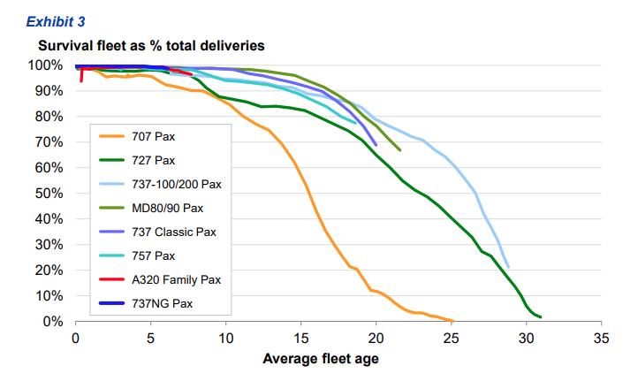
Age
0 | 0.99987660542
1 | 0.99981752149
2 | 0.99973015455
3 | 0.99960097483
4 | 0.99940999101
5 | 0.99912767715
6 | 0.99871045301
7 | 0.998094055
8 | 0.99718385215
9 | 0.99584078431
10 | 0.99386112829
11 | 0.99094778329
12 | 0.98667038566
13 | 0.98041176418
14 | 0.97130002433
15 | 0.95813083821
16 | 0.93929653427
17 | 0.91276127819
18 | 0.87615603157
19 | 0.82710074038
20 | 0.76385158827
21 | 0.68624207506
22 | 0.59659665501
23 | 0.5
24 | 0.40340334499
25 | 0.31375792494
26 | 0.23614841173
27 | 0.17289925962
28 | 0.12384396843
29 | 0.087238721808
30 | 0.060703465732
31 | 0.041869161785
32 | 0.02869997567
33 | 0.019588235818
34 | 0.013329614337
35 | 0.0090522167104
36 | 0.0061388717131
37 | 0.0041592156887
38 | 0.0028161478513
39 | 0.001905945003
40 | 0.0012895469908
41 | 0.00087232284768
42 | 0.00059000898533
43 | 0.00039902516961
44 | 0.0002698454457
45 | 0.00018247850963
46 | 0.00012339457599
47 | 8.3439579162E-05
48 | 5.6421226241E-05
49 | 3.8151282043E-05
50 | 2.5797236379E-05
51 | 1.744357481E-05
52 | 1.179496418E-05
53 | 7.9754824941E-06
54 | 5.3928304799E-06
55 | 3.6464999182E-06
56 | 2.4656725598E-06
57 | 1.6672258286E-06
58 | 1.1273359205E-06
59 | 7.6227589183E-07
60 | 5.154315196E-07

Ships
Average Lifetime | 21
Shape | 5

Age
0 | 0.99330714908
1 | 0.99152316163
2 | 0.98926878753
3 | 0.98642308306
4 | 0.98283584724
5 | 0.97832163674
6 | 0.9726532132
7 | 0.96555480433
8 | 0.95669589324
9 | 0.94568673387
10 | 0.93207743686
11 | 0.91536324763
12 | 0.89499941498
13 | 0.8704295306
14 | 0.84113089512
15 | 0.8066786302
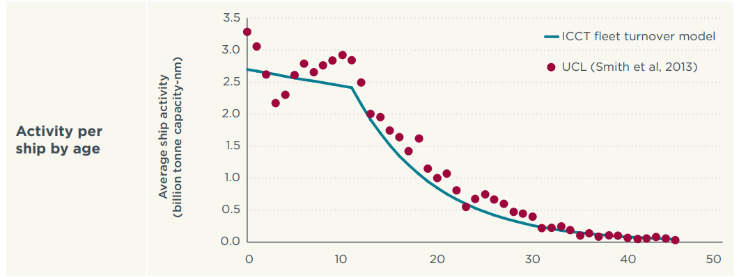
16 | 0.7668262197
17 | 0.7215937546
18 | 0.67134745348
19 | 0.61684790859
20 | 0.55924419738
21 | 0.5
22 | 0.44075580262
23 | 0.38315209141
24 | 0.32865254652
25 | 0.2784062454
26 | 0.2331737803
27 | 0.1933213698
28 | 0.15886910488
29 | 0.1295704694
30 | 0.10500058502
31 | 0.084636752373
32 | 0.067922563141
33 | 0.054313266133
34 | 0.043304106758
35 | 0.034445195666
36 | 0.027346786796
37 | 0.021678363261
38 | 0.017164152758
39 | 0.013576916944
40 | 0.010731212465
41 | 0.0084768383651
42 | 0.0066928509243
43 | 0.0052823111986
44 | 0.0041677998948
45 | 0.0032876613859
46 | 0.0025929028933
47 | 0.0020446616708
48 | 0.0016121527485
49 | 0.0012710162631
50 | 0.0010019928621
51 | 0.00078986594174
52 | 0.00062261936673
53 | 0.0004907682646
54 | 0.00038682825064
55 | 0.00030489502018
56 | 0.00024031171282
57 | 0.00018940594383
58 | 0.00014928204786
59 | 0.00011765702759
60 | 9.2731065666E-05

Rail
Average Lifetime | 50
Shape | 8

Age
0 | 0.99966464987
1 | 0.99960648587
2 | 0.99953823842
3 | 0.99945816118
4 | 0.99936420603
5 | 0.99925397117
6 | 0.99912464036
7 | 0.99897291195
8 | 0.99879491577
9 | 0.99858611619
10 | 0.99834119892
11 | 0.99805393901
12 | 0.99771704715
13 | 0.99732199081
14 | 0.99685878672
15 | 0.9963157601
16 | 0.99567926648
17 | 0.99493337067
18 | 0.9940594778
19 | 0.99303591082
20 | 0.99183742885
21 | 0.99043468133
22 | 0.98879359368
23 | 0.98687468166
24 | 0.98463229443
25 | 0.98201379004
26 | 0.97895865298
27 | 0.9753975716
28 | 0.97125150407
29 | 0.96643077672
30 | 0.9608342772
31 | 0.95434882922
32 | 0.9468488636
33 | 0.93819653374
34 | 0.92824245774
35 | 0.91682730351
36 | 0.90378445829
37 | 0.88894403329
38 | 0.87213843368
39 | 0.8532096602
40 | 0.83201838513
41 | 0.80845465144
42 | 0.78244977642
43 | 0.75398871645
44 | 0.72312180512
45 | 0.68997448113
46 | 0.65475346061
47 | 0.61774787477
48 | 0.57932425215
49 | 0.53991488456
50 | 0.5
51 | 0.46008511544
52 | 0.42067574785
53 | 0.38225212523
54 | 0.34524653939
55 | 0.31002551887
56 | 0.27687819488
57 | 0.24601128355
58 | 0.21755022358
59 | 0.19154534856
60 | 0.16798161487

